QB Rolling Factors
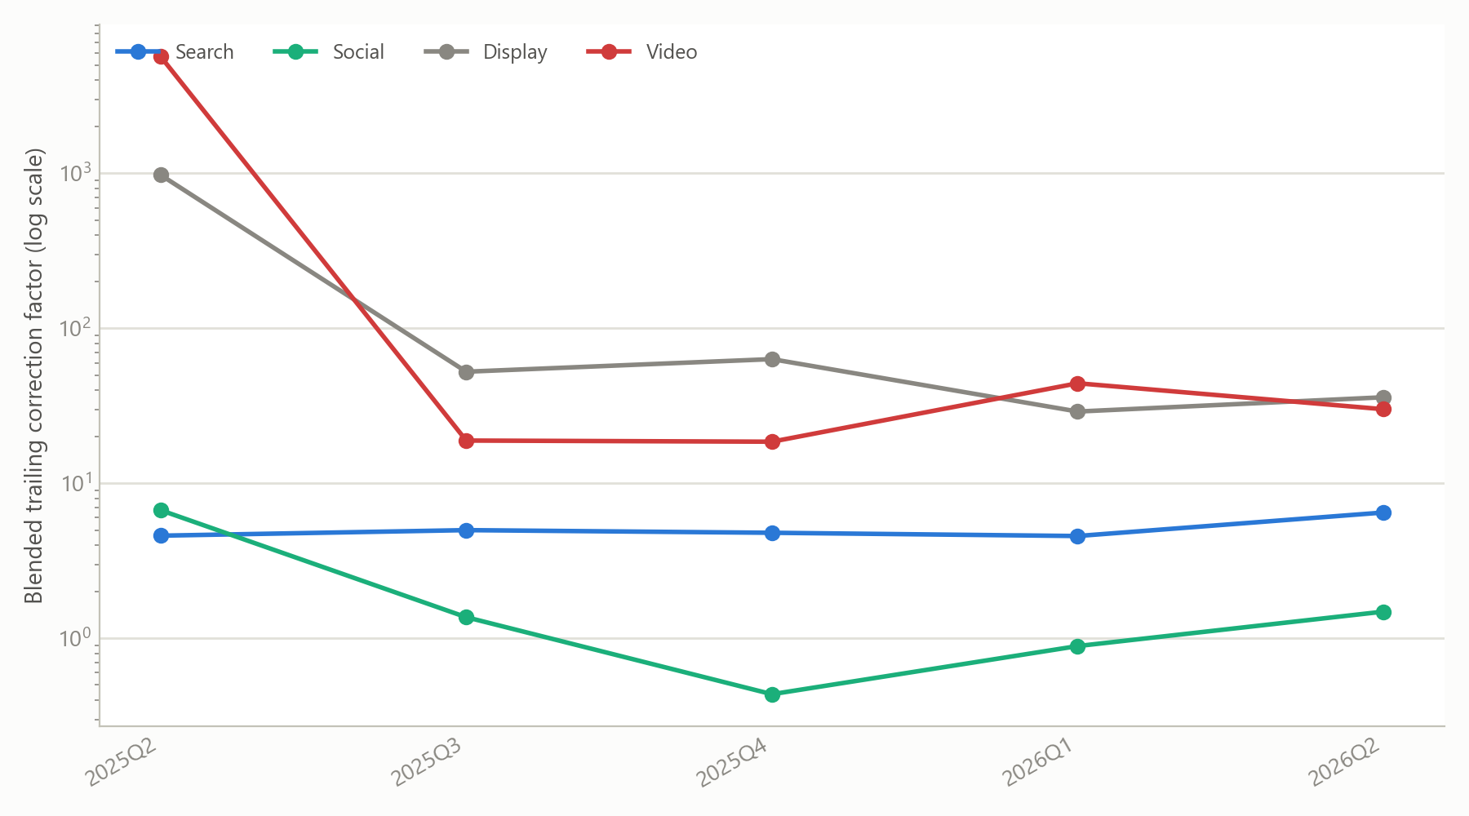
QuickBooks — Rolling Credibility-Weighted Factor, by Quarter and Channel

QUARTER | NARRATIVE_CHANNEL | last_quarter_factor | trailing4_factor | credibility_Z | blended_factor
2025Q2 | Display | 978.10x | 978.10x | 80.0% | 978.10x
2025Q2 | Search | 4.60x | 4.60x | 80.0% | 4.60x
2025Q2 | Social | 6.72x | 6.72x | 80.0% | 6.72x
2025Q2 | Video | 5688.93x | 5688.93x | 80.0% | 5688.93x
2025Q3 | Display | 48.65x | 67.68x | 79.7% | 52.52x
2025Q3 | Search | 5.09x | 4.81x | 63.3% | 4.99x
2025Q3 | Social | 1.30x | 1.63x | 79.0% | 1.37x
2025Q3 | Video | 17.67x | 23.75x | 80.0% | 18.89x
2025Q4 | Display | 61.90x | 65.48x | 60.4% | 63.32x
2025Q4 | Search | 4.79x | 4.81x | 53.2% | 4.80x
2025Q4 | Social | 0.35x | 0.69x | 74.5% | 0.44x
2025Q4 | Video | 17.22x | 20.91x | 63.6% | 18.57x
2026Q1 | Display | 24.97x | 39.53x | 71.9% | 29.06x
2026Q1 | Search | 4.41x | 4.72x | 46.6% | 4.57x
2026Q1 | Social | 1.03x | 0.77x | 47.3% | 0.89x
2026Q1 | Video | 224.55x | 26.04x | 9.2% | 44.24x
2026Q2 | Display | 36.08x | 35.64x | 65.4% | 35.93x
2026Q2 | Search | 8.24x | 5.34x | 39.5% | 6.48x
2026Q2 | Social | 11.12x | 0.86x | 6.1% | 1.49x
2026Q2 | Video | 238.72x | 24.22x | 2.7% | 30.08x

Competitor Confidence
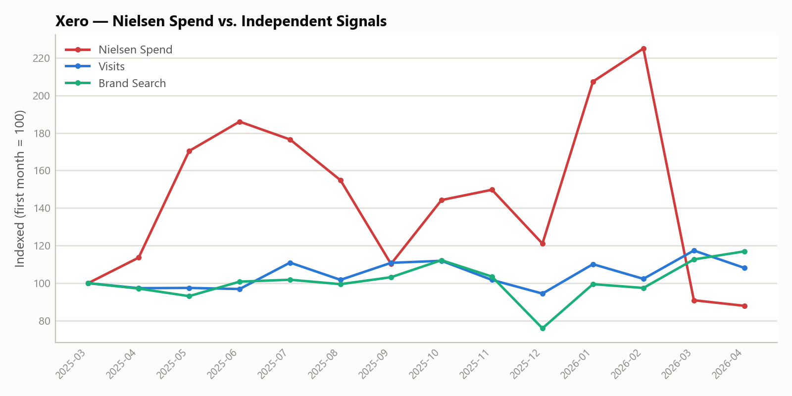
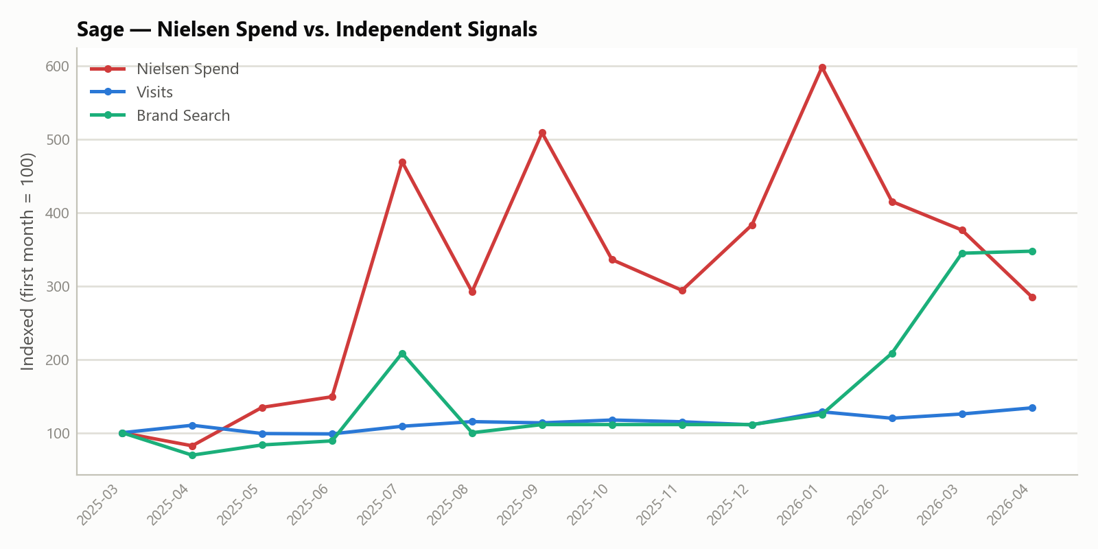
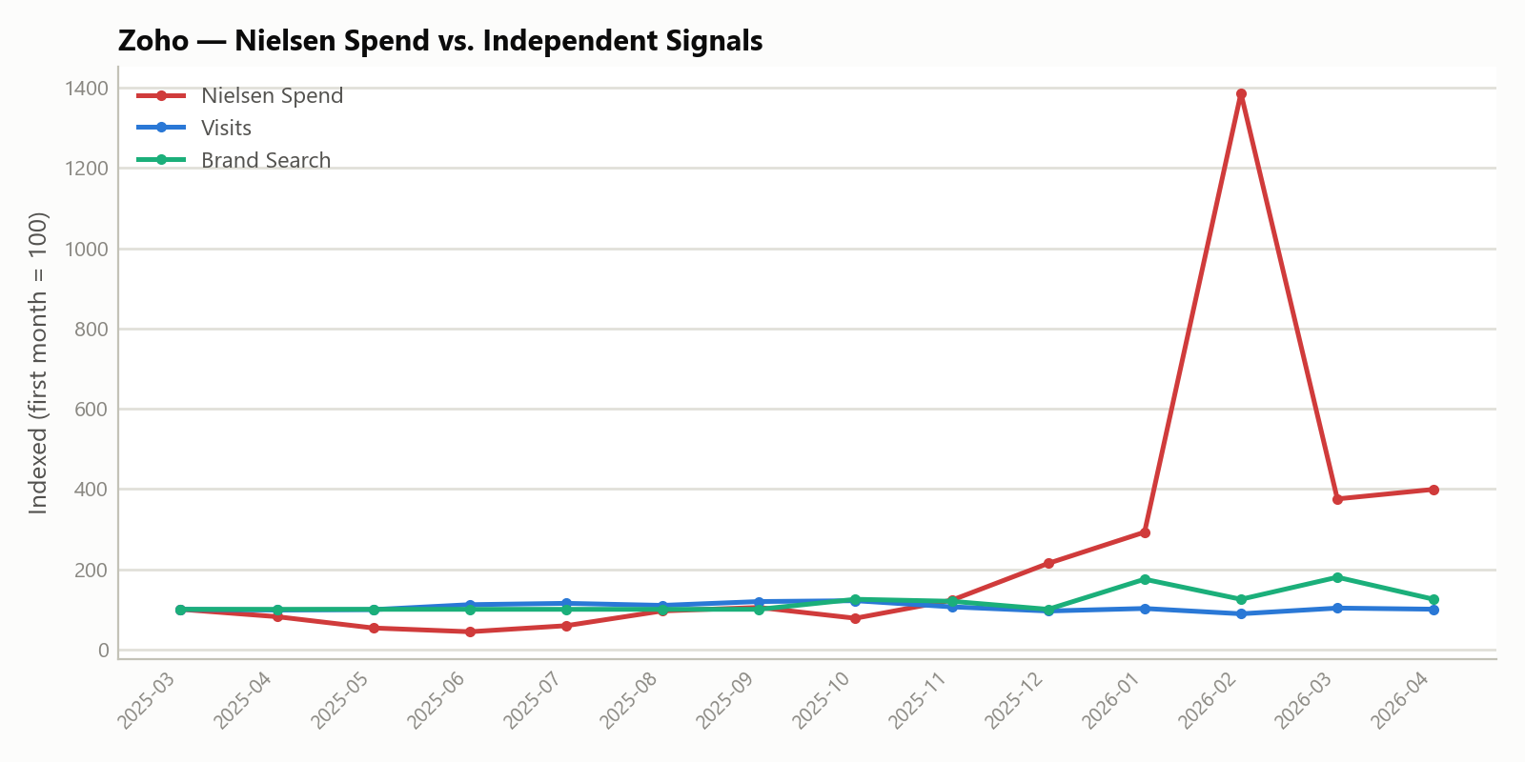
Competitor Nielsen-Spend Confidence Tiering
Reference: QuickBooks Nielsen-vs-Visits correlation = 0.20 (vs. 0.78 for Intuit-reported actual spend vs. Visits)

Competitor | Months of overlap | Corr (Visits) | p (Visits) | Corr (Brand Search) | p (Brand Search) | Corr (PPC Impr. Share) | p (PPC) | n (PPC) | Nielsen Spend Volatility (CV) | Confidence Tier
Xero | 14 | -0.154 | 0.599 | -0.256 | 0.378 | 0.317 | 0.291 | 13 | 0.3 | Inconclusive — no signal reaches significance at n=14
Sage | 14 | 0.585 | 0.028 | 0.299 | 0.299 | 0.413 | 0.416 | 6 | 0.499 | Nominally significant (p<0.05, uncorrected) positive signal — flag, not proof
Zoho | 14 | -0.592 | 0.026 | 0.321 | 0.263 |  |  | 0 | 1.437 | Nominally significant (p<0.05, uncorrected) negative signal — flag, not proof

